MONTREAL, MADE IN INDIA
 |  |  |  |  |  | Total Order Quantity | Total Containers / Volume
 |  |  |  |  |  | 0 | 0.00
PATTERN | MONTREAL SKU | SIZE | PLY/LOAD | AVAILABLE | CONTAINER | ORDER QUANTITY (Units) | CONTAINER FILL %
 |  |  |  |  | ORDER QUANTITY

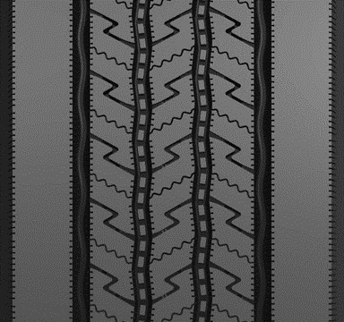
 | MAR91 | Regional Steer / All Position
 |  | 225/70R19.5 | 14G | TBA | 430 |  | 0.00
 |  | 245/70R19.5 | 16H | TBA | 430 |  | 0.00
 |  | 11R22.5 | 16H | AVAILABLE | 240 |  | 0.00
 |  | 11R24.5 | 16H | TBA | 220 |  | 0.00
 |  | 255/70R22.5 | 16H | TBA | 290 |  | 0.00
 |  | 295/75R22.5 | 16H | AVAILABLE | 264 |  | 0.00
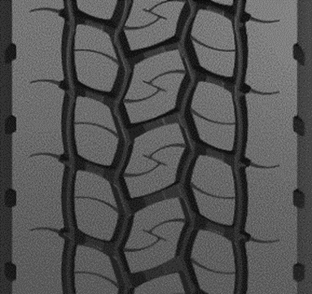
 |  | 285/75R24.5 | 14G | TBA | 250 |  | 0.00
 |  |  |  | TBA
 | MDR92 | Drive / Closed Shoulder |  | TBA
 |  | 11R22.5 | 16H | AVAILABLE | 240 |  | 0.00
 |  | 11R24.5 | 16H | TBA | 220 |  | 0.00
 |  | 295/75R22.5 | 16H | AVAILABLE | 264 |  | 0.00
 |  | 285/75R24.5 | 14G | TBA | 250 |  | 0.00
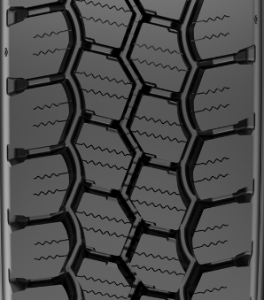
 |  |  |  | TBA
 | MDR95 | Drive / Open Shoulder |  | TBA
 |  | 11R22.5 | 16H | TBA | 240 |  | 0.00
 |  | 11R24.5 | 16H | TBA | 220 |  | 0.00
 |  | 295/75R22.5 | 16H | TBA | 264 |  | 0.00
 |  |  |  | TBA
 | MDR05 | Drive / Open Shouder |  | TBA
 |  | 225/70R19.5 | 14G | TBA | 430 |  | 0.00
 |  | 245/70R19.5 | 16H | TBA | 430 |  | 0.00
 |  |  |  | TBA
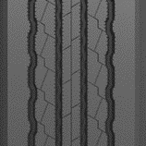
 | MTR01 | Trailer |  | TBA
 |  | 11R22.5 | 14G | TBA | 240 |  | 0.00
 |  | 11R24.5 | 14G | TBA | 220 |  | 0.00
 |  | 295/75R22.5 | 14G | TBA | 264 |  | 0.00
 |  | 285/75R24.5 | 14G | TBA | 250 |  | 0.00
 |  |  |  | TBA
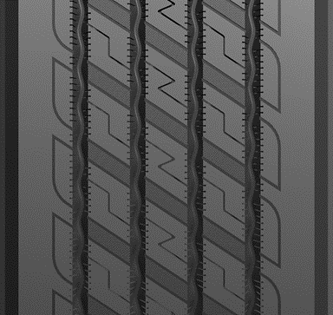
 | MTR91 | Trailer - deep tread/spread axle |  | TBA
 |  | 11R22.5 | 14G | TBA | 240 |  | 0.00
 |  | 11R24.5 | 14G | TBA | 220 |  | 0.00
 |  | 295/75R22.5 | 14G | TBA | 264 |  | 0.00
 |  |  |  | TBA
 | MAC95 | Construction/Waste - All Position |  | TBA
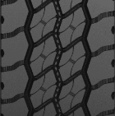
 |  | 315/80R22.5 (10.2k lb) | 20L | AVAILABLE | 210 |  | 0.00
 |  | 11R22.5 | 16H | TBA | 240 |  | 0.00
 |  | 11R24.5 | 16H | TBA | 220 |  | 0.00

